Expense types (List)
BACK
TRANSLATIONS
 | HOMEWORK 1 |EXPENSE TYPES LIST
Please define expense/receipt type list from which the user would select in order to claim his expenses. You can either keep the default list or you can add/edit the list by adding/deleting them. To translate them in other languages then English please click on Translations button
 | Receipt Type Name | Are there any rules? | Please describe the rule/s per each receipt type | Warning message Translation (please define English translation in here and if more translations are needed, please fill it in Translations sheet ----------EN----------- *supported only EN,FR,DE, SP, SE, DK, JP | Blocking message Translation (please define English translation in here and if more translations are needed, please fill it in Translations sheet ----------EN----------- *supported only EN,FR,DE, SP, SE, DK, JP | Are there any specific cost center per receipt type which is different from user profile level? If Yes, please specify it. | Receipt type list UI example
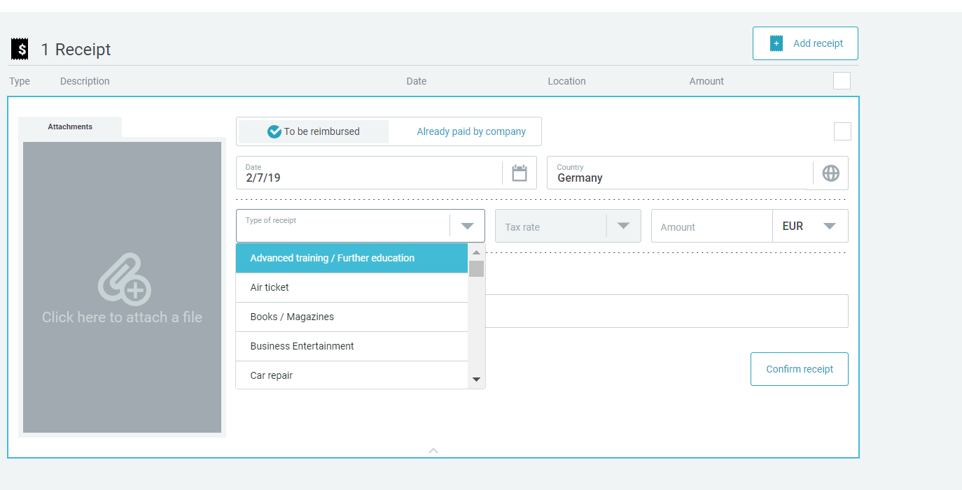
 | Hotel breakfast | no
 | Hotel accommodation | no
 | Flight Ticket | no
 | Conference or Seminar fee Hotel | no
 | Business entertainment - External | no
 |  | no
 |  | no
 | Taxi (for routes up to 50 km) | no
 | Taxi (for routes over 50 km) one taxi receipt | no
 | Car rental ok | no
 | Public transport (trains, underground, bus, etc.) | no
 | Flight expenses - Rebooking fees (exceptional cases) | no
 | Car rental - fuel | No
 | Other travel costs - Visa, etc. | no | Visas, baggage fees, parking fees and tolls
 | Credit Card Fee (transaction cost) | No
 | Entertainment non-UK AGCS employee or Allianz entities to delete | no
 | Breakfast | no | warning and system text message -20 euro
 | Lunch | no
 | Dinner | no
 | Incidental travel costs ? | no
 | Training and development | no
 | IT and telephony maintenance | no
 | Office based telephony charges | no
 | Other communication charges | no | not mor thatn 20 euro system text
 | Office computer consumables | no
 | Internet expenses | no
 | Energy expenses to delete | no
 | Building repair and maintenance to delete | no
 | Office cleaning services | no
 | Calendars and promotional items | no
 | Printing and reproduction | no
 | Public relations | no
 | Other marketing expenses | no
 | Charitable donations - Contributions to non-profit org. | no
 | Business related subscriptions | no
 | Office consumables | no
 | Office stationary supplies to delete | no
 | Publications and literature | no
 | Postage and shipping charges | no
 | Operational insurance premium | no
 | Other professional fees | no
 | Office catering and facilities | no
 | Staff memberships and subs. To delete | no
 | Staff non-cash incentives | no
 | Non charitable contributions and memberships | no
 | Medical fees | no

VAT (List)
BACK
TRANSLATIONS
 |  | HOMEWORK 2 |VAT LIST

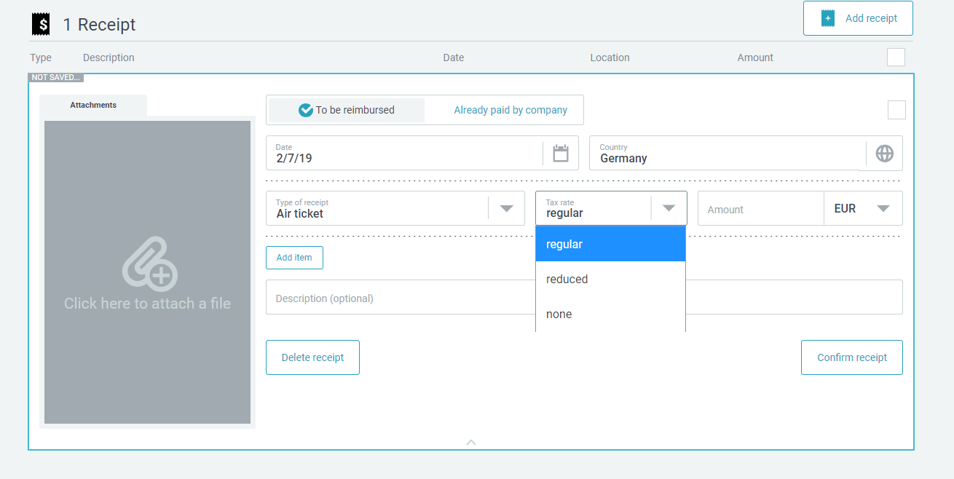
Country | VAT Rate | VAT Code | VAT Label | EN Label (Example) | VAT tax rates UI
FR | 0 | V0 | Zero rated

Expense types (VAT)
BACK
 | HOMEWORK 3 |EXPENSE TYPES -VAT

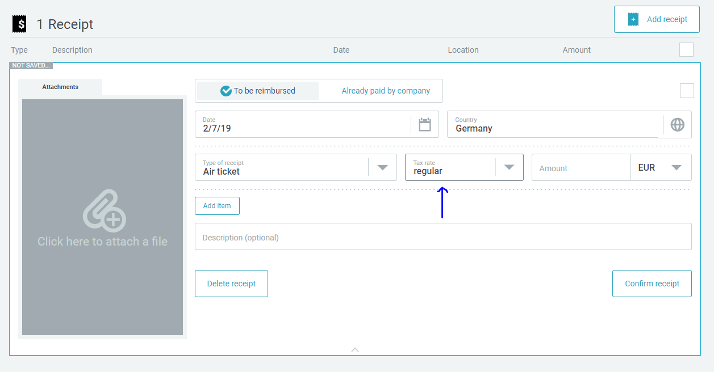
Receipt Type Name | VAT Domestic-Default | VAT Domestic - Values Available | Specify country- Default | Specify country- Available | Receipt type list default value
Hotel breakfast | 0 |  | 0 | 0
 | 0
Hotel accommodation | 0
Flight Ticket | 0
Conference or Seminar fee Hotel | 0
Business entertainment - External

Taxi (for routes up to 50 km)
Taxi (for routes over 50 km) one taxi receipt | 0
Car rental ok
Public transport (trains, underground, bus, etc.) | 0
Flight expenses - Rebooking fees (exceptional cases) | 0

Business hospitality and gifts | 0
Car rental - fuel | 0
Other travel costs - Visa, etc. | 0
Credit Card Fee (transaction cost) | 0
Entertainment non-UK AGCS employee or Allianz entities to delete | 0

Breakfast | 0
Lunch | 0 |  |  |  | Receipt type list values available
Dinner | 0
Laundry | 0
 | 0
 | 0
Incidental travel costs ? | 0
 | 0
Customer to provide non-travel receipts | 0
Training and development | 0
IT and telephony maintenance | 0
Office based telephony charges | 0
Other communication charges | 0
Office computer consumables | 0
Internet expenses | 0
Energy expenses to delete | 0
Building repair and maintenance to delete | 0
Office cleaning services | 0
Calendars and promotional items | 0
Printing and reproduction | 0
Public relations | 0
Other marketing expenses | 0
Charitable donations - Contributions to non-profit org. | 0
Business related subscriptions | 0
Office consumables | 0
Office stationary supplies to delete | 0

Expense types (Accounting)
BACK
HOMEWORK 4 | EXPENSE TYPES - ACCOUNTING

Receipt Type Name | Domestic GL Account | Foreign GL Account | Debit Posting Key | Credit Posting Key
Mileage allowance |  |  | 40 | 50
Accomodation |  |  | 40 | 50
Meal allowance |  |  | 40 | 50
Meal deduction |  |  | 40 | 50
Reimbursement |  |  | 40 | 50
Cash advance |  |  | 40 | 50
Hotel breakfast | 7870012004 |  | 40 | 50
 | 7870012004 |  | 40 | 50
Hotel accommodation
Flight Ticket | 7870012004 |  | 40 | 50
Conference or Seminar fee Hotel | 7870004009 |  | 40 | 50
Business entertainment - External | 7870004009 |  | 40 | 50

Taxi (for routes up to 50 km) | 7870012004 |  | 40 | 50
Taxi (for routes over 50 km) one taxi receipt | 7870012004 |  | 40 | 50
Car rental ok | 7811102001 |  | 40 | 50
Public transport (trains, underground, bus, etc.) | 7870012004 |  | 40 | 50
Flight expenses - Rebooking fees (exceptional cases) | 7870012004 |  | 40 | 50

Business hospitality and gifts | 7860005005 |  | 40 | 50
Car rental - fuel | 7870012004 |  | 40 | 50
Other travel costs - Visa, etc. | 7870012004 |  | 40 | 50
Credit Card Fee (transaction cost) | 7870012004 |  | 40 | 50
Entertainment non-UK AGCS employee or Allianz entities to delete | 7811104007 |  | 40 | 50

Breakfast | 7870012004 |  | 40 | 50
Lunch | 7870012004 |  | 40 | 50
Dinner | 7870012004 |  | 40 | 50
Laundry | 7870012004 |  | 40 | 50

Incidental travel costs ? | 7870012004 |  | 40 | 50

Customer to provide non-travel receipts
Training and development | 7870004009 |  | 40 | 50
IT and telephony maintenance | 7823002001 |  | 40 | 50
Office based telephony charges | 7823002001 |  | 40 | 50
Other communication charges | 7823002001 |  | 40 | 50
Office computer consumables | 7823002001 |  | 40 | 50
Internet expenses | 7823002001 |  | 40 | 50

Office cleaning services | 7870012004 |  | 40 | 50
Calendars and promotional items | 7870003002 |  | 40 | 50
Printing and reproduction | 7870003002 |  | 40 | 50
Public relations | 7870012004 |  | 40 | 50

Charitable donations - Contributions to non-profit org. | 7870004006 |  | 40 | 50
Business related subscriptions | 7870004009 |  | 40 | 50
Office consumables | 7870003002 |  | 40 | 50
Office stationary supplies to delete | 7870003002 |  | 40 | 50
Publications and literature | 7870003002 |  | 40 | 50
Postage and shipping charges | 7870003004 |  | 40 | 50

Other professional fees | 7870012004 |  | 40 | 50
Office catering and facilities | 7870012004 |  | 40 | 50
Staff memberships and subs. To delete | 7870012004 |  | 40 | 50

Special Events | 7870004006 |  | 40 | 50
External General Stationery | 7870012004 |  | 40 | 50
Furniture / Fittings Purchase | 7870003002 |  | 40 | 50
Other Office Equipment | 7870003002 |  | 40 | 50
Reimbursed Business Calls | 7823002001 |  | 40 | 50
Staff Home Lines | 7823002001 |  | 40 | 50
Catering - Equipment Purchases | 7870012004 |  | 40 | 50
Catering Purchases | 7870012004 |  | 40 | 50
Desktop - Consumables | 7870003002 |  | 40 | 50

Advertising - Staff Magazine | 7870003002 |  | 40 | 50

Broker/Client Events | 7870004006 |  | 40 | 50
Promotional Gifts | 7860005005 |  | 40 | 50
Conferences and Seminars | 7870004009 |  | 40 | 50
 |  |  | 40 | 50

Publications | 7870003002 |  | 40 | 50

Stamps and Franking | 7870003004 |  | 40 | 50

Meal &Mileage Allowances
BACK
 |  | HOMEWORK 5|ALLOWANCE & MILEAGE
Please specify the customer specific requirements in case you chose this as allowance and/or mileage scheme

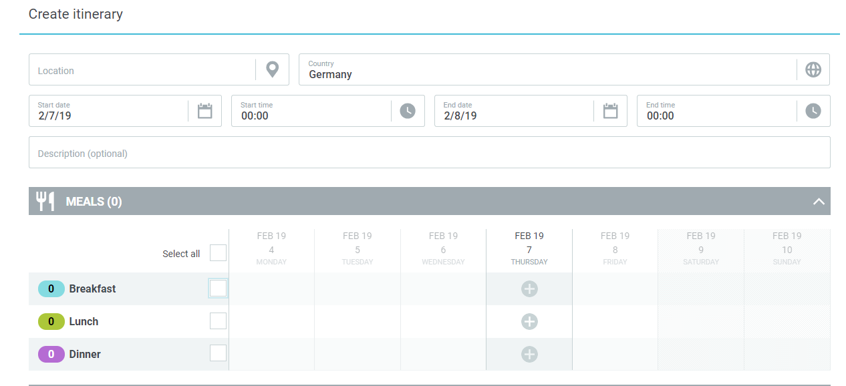
1. ALLOWANCE & DEDUCTIONS
 |  | DEDUCTIONS |  |  |  |  |  |  | Meal section in UI
 |  | Meal Type | Meal Type Translation | Absolute deduction (fixed amount) | Relative deduction (%) | Validation Rules

 |  | CUSTOMER SPECIFIC
Not applicable in case of legal scheme

 |  | Comment

 | 2.MILEAGE
 |  | VEHICLE TYPE USAGE |  |  |  |  | Mileage section in UI
A personal car configuration is created when employees use their own car for business purposes and are reimbursed for items such as maintenance, gas, and mileage as defined by the company, or are given a flat rate per mile traveled to cover car expenses.

Please specify the vehicle type |  |  | Private Car

Which type of reimbursement would you like to enable? |  |  | Variable Rate

Is attachment mandatory for mileage? |  |  | No

 |  | CUSTOMER SPECIFIC
Not applicable in case of legal scheme

 |  | Comment

 | Rates
 | Type of vehicle | Type of vehicle translation () | Single rate | Variable rate ( cumulative mileage)
 | Number of CV |  | Less than 5000 km
 | 3 |  | 0.41
 | 4 |  | 0.493
 | 5 |  | 0.543
 | 6 |  | 0.568
 | 7 |  | 0.595

 | 3.ACCOMODATION RATE |  |  |  |  |  |  | Accomodation section in UI
 |  | Accomodation Type | Rate Domestic | Rate Foreign | Validation Rules

 |  | CUSTOMER SPECIFIC
**In case of customer specific only, we should receive a file as in the example below for per diem and/or accomodation rate, but please be aware that this is just an example and you need to update each column with the information applicable to your company's policies. This amount should be in local currency OR in 1 currency (customer's currency for example) for all values below

Country | Allowance Overnight Stay | Per diem 0-8h | PerDiem 8-24h
Afghanistan
Albania
Algeria
Andorra
Angola
Antigua and Barbuda
Argentina
Armenia
Australia
Australia (Canberra)
Australia (Sydney)
Austria
Azerbaijan
Bahrain
Bangladesh
Barbados
Belarus
Belgium
Benin
Bolivia
Bosnia and Herzegovina
Botswana
Brazil
Brazil (Brasilia)
Brazil (Rio de Janeiro)
Brunei
Bulgaria
Burkina Faso
Burundi
Cambodia
Cameroon
Canada
Canada (Toronto)
Canada (Vancouver)
Cape Verde
Central African Republic
Chad
Chile
China
China (Hongkong)
Colombia
Congo, Democratic Republic
Congo, Republic
Costa Rica
Côte d'Ivoire
Croatia
Cuba
Cyprus
Czech Republic
Denmark
Djibouti
Dominica
Dominican Republic
Ecuador
Egypt
El Salvador
Equatorial Guinea
Eritrea
Estonia
Ethiopia
Fiji
Finland
France
France (Paris)
Gabon
Gambia
Georgia
Germany
Germany (Metzingen)
Ghana
Greece
Grenada
Guatemala
Guinea
Guinea-Bissau
Guyana
Haiti
Honduras
Hungary
Iceland
India
India (New Delhi)
Indonesia
Iran
Ireland
Israel
Italy
Italy (Morrovalle)
Italy (Milan)
Italy (Rome)
Jamaica
Japan
Jordan
Kazakhstan
Kenya
Korea, Democratic People's Republic
Korea, Republic of
Kosovo
Kuwait
Kyrgyzstan
Laos
Latvia
Lebanon
Lesotho
Libya
Liechtenstein
Lithuania
Luxembourg
Madagascar
Malawi
Malaysia
Maldives
Mali
Malta
Marshall Islands
Mauritania
Mauritius
Mazedonia
Mexico
Micronesia
Moldova
Monaco
Mongolia
Montenegro
Morocco
Mozambique
Myanmar
Namibia
Nepal
Netherlands
New Zealand
Nicaragua
Niger
Nigeria
Norway
Oman
Pakistan
Pakistan (Islamabad)
Palau
Panama
Papua New Guinea
Paraguay
Peru
Philippines
Poland
Poland (Warsaw)
Portugal
Qatar
Romania
Russia (Jekatarinburg)
Russia (Moscow)
Russia (St. Petersburg)
Russian Federation
Rwanda
Samoa
San Marino
Sao Tome - Principe
Saudi Arabia
Saudi Arabia (Jeddah)
Senegal
Serbia
Sierra Leone
Singapore
Slovak Republic
Slovenia
South Africa
South Africa (Cape Town)
South Africa (Johannesburg)
South Sudan
Spain
Spain (Barcelona)
Spain (Canary Islands)
Spain (Madrid)
Spain (Palma de Mallorca)
Sri Lanka
St. Kitts and Nevis
St. Lucia
St. Vincent and the Grenadines
Sudan
Sudan
Suriname
Sweden
Switzerland
Switzerland (Geneva)
Switzerland (Coldrerio)
Syria
Taiwan
Tajikistan
Tanzania
Thailand
Togo
Tonga
Trinidad and Tobago
Tunesia
Turkey
Turkey (Istanbul)
Turkmenistan
Uganda
Ukraine
United Arab Emirates
United Kingdom
United Kingdom (London)
United States
United States (Atlanta)
United States (Boston)
United States (Chicago)
United States (Houston)
United States (Los Angeles)
United States (Miami)
United States (New York City)
United States (San Francisco)
United States (Washington, D.C.)
Uruguay
Uzbekistan
Vatican State
Venezuela
Vietnam
Yemen
Zambia
Zimbabwe

Wage types (HR data)
BACK
BACK
 | HOMEWORK 6 | WAGE TYPES - HR DATA
This only applies if customer overpays the allowances. Please disregard this sheet if not applicable to your company
 | OUT OF SCOPE
 | Receipt Type Name | Booking text | Wage type number | Personal Identifier
 | Mileage allowance
 | Accomodation
 | Meal allowance
 | Meal deduction fixed
 | Meal deduction relative

Information below required only if the customer does not work with Conovum/other third-party interface

Please specify the format of the export for the HR system |  | Other |  | If Other | IDOC

Please fill in below the format data that should be sent in this file, colum names & column content

 | Column1 | Column2 | Column3 | Column4 | Column5 | Column6 | Column7 | Column8 | Column9

Validation Rules
BACK
 |  |  |  |  | HOMEWORK 7 | CUSTOM VALIDATION RULES - VALIDATORS & CALCULATORS
Validators and calculators are extra customized rules which can give a specific behavior. Please select if to activate the validators or calculators from the ACTIVATE panel and fill in parameters such as : Receipt type scope (list of values), Text message to be displayed, some other parameters if available and Remarks if any.
Legend:
Custom - not standard in Cytric expense, but implemented for other customers
Validators - Validation rules such as warnings, spend limits, etc.
Calculators - Customized calculation logics
* - double effort implementation

1. EXPENSE VALIDATION RULES

1
 |  | ACTIVATE?
 | STATEMENT LEVEL | Yes | Expense Approval
 |  | No |  | Definition |  | Checks if arranger or recipient equals approver and returns a validation error.
 |  | No |  | Parameters
 |  |  |  |  | Receipt type Scope |  | All receipt types | Specify here
 |  |  |  |  | Remarks
 |  | ACTIVATE?
 | STATEMENT LEVEL | No | Expense Arranger
1
 |  |  |  | Definition |  | Checks if arranger doesn't equal recipient and returns a validation error.
 |  |  |  | Parameters
 |  |  |  |  | Receipt type Scope |  | All receipt types | Specify here
 |  |  |  |  | Remarks
 |  | ACTIVATE?
 | STATEMENT LEVEL | No | Expense Audit
1
 |  |  |  | Definition |  | Checks if arranger, recipient or approver equals auditor and returns a validation error
 |  |  |  | Parameters
 |  |  |  |  | Receipt type Scope |  | All receipt types | Specify here
 |  |  |  |  | Remarks
 |  | ACTIVATE?
 | RECEIPT TYPE LEVEL | No | Accommodation Receipts
1
 |  |  |  | Definition |  | This validator is used to check if a user has added a certain receipt to an accomodation. Fails if there doesn't exist a receipt to its accomodation within an itinerary step.
 |  |  |  | Parameters
 |  |  |  |  | Receipt type Scope |  | All receipt types | Specify here
 |  |  |  |  | Remarks
 |  | ACTIVATE?
 | RECEIPT TYPE LEVEL | Yes | Attachment Mandatory |  |  |  |  | (example on the right of the page) | Example of mandatory attachment rule in the UI
1
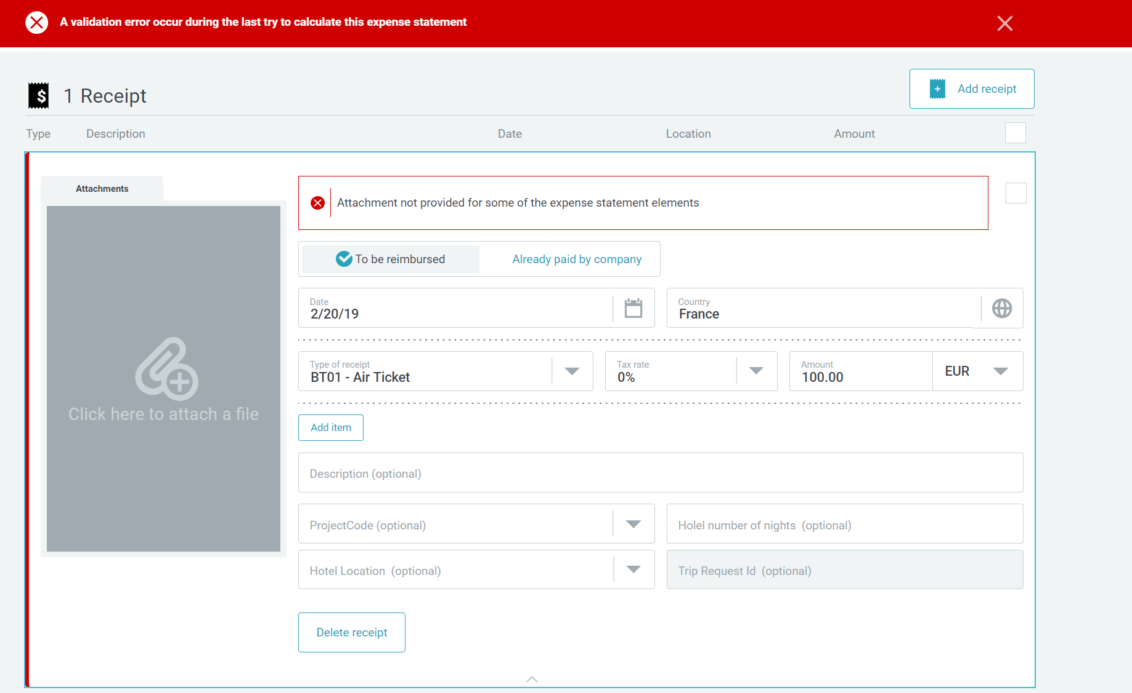
 |  |  |  | Definition |  | Attachment mandatory for a certain receipt type
 |  |  |  | Parameters
 |  |  |  |  | Receipt type Scope |  | All receipt types | Specify here
 |  |  |  |  | Remarks
 |  | ACTIVATE?
 | RECEIPT TYPE LEVEL | No | Receipts Description Mandatory
1
 |  |  |  | Definition |  | If there isn't any description defined a validation error will be thrown.
 |  |  |  | Parameters
 |  |  |  |  | Receipt type Scope |  | All receipt types | Specify here
 |  |  |  |  | Remarks
 |  | ACTIVATE?
 | RECEIPT TYPE LEVEL | No | Fixed Receipt Reimbursement Limit
1
 |  |  |  | Definition |  | Alert if a receipt amount exceeds a pre-defined limit for the receipts needed. 2 options of how it can be implemented : either give a warning or cap it
 |  |  |  | Parameters
 |  |  |  |  | Limit
 |  |  |  |  | Receipt type Scope |  |  | Specify here
 |  |  |  |  | Remarks
 |  | ACTIVATE?
 | RECEIPT TYPE LEVEL | No | Receipt Date Validator
1
 |  |  |  | Definition |  | Certain receipt types can be added until a given date. Receipts on a future date will throw a validation error. For the receipt date validator you have to specify the receipt types, the limitation date and the associated date format.
 |  |  |  | Parameters
 |  |  |  |  | Format date |  | DDMMYY
 |  |  |  |  | Limit date
 |  |  |  |  | Receipt type Scope |  |  | Specify here
 |  |  |  |  | Remarks
 |  | ACTIVATE?
 | RECEIPT TYPE LEVEL | No | Similar Receipts
1
 |  |  |  | Definition |  | Compares receipts based on their price, date or type. If there exist similar receipts the validator returns an error.
 |  |  |  | Parameters
 |  |  |  |  | Receipt type Scope |  | All receipt types | Specify here
 |  |  |  |  | Remarks
 |  | ACTIVATE?
 | RECEIPT TYPE LEVEL | No | Trip Duration Condition on Receipt Type*
1
 |  |  |  | Definition |  | The receipt type is only accepted based on trip days period
 |  |  |  | Parameters
 |  |  |  |  | Trip minimum days
 |  |  |  |  | Receipt type Scope |  |  | Specify here
 |  |  |  |  | Remarks
 |  | ACTIVATE?
 | STATEMENT LEVEL | No | Verification of Travel and Expense Trip Purpose*
1
 |  |  |  | Definition |  | If not matching, an error will occur
 |  |  |  | Parameters
 |  |  |  |  | Receipt type Scope |  | All receipt types | Specify here
 |  |  |  |  | Remarks
 |  | ACTIVATE?
 | RECEIPT TYPE LEVEL | No | Cap Amount on Enterntainment*
1
 |  |  |  | Definition |  | Limited amount on tip and/or per participant. 2 options of how it can be implemented : either give a warning or cap it
 |  |  |  | Parameters
 |  |  |  |  | Receipt type Scope |  | All receipt types | Specify here
 |  |  |  |  | Remarks
 |  | ACTIVATE?
 | RECEIPT TYPE LEVEL | No | Cap Amount by percentage*
1
 |  |  |  | Definition |  | Limit amount based on percentage of the receipt amount
 |  |  |  | Parameters
 |  |  |  |  | Percentage limit
 |  |  |  |  | Receipt type Scope |  |  | Specify here
 |  |  |  |  | Remarks
 |  | ACTIVATE?
 | RECEIPT TYPE LEVEL | No | Cap Amount per receipt type and FDF value*
1
 |  |  |  | Definition |  | Cap amount on certain receipt types is validated based on the value set at the traveler level (FDF).
 |  |  |  | Parameters
 |  |  |  |  | Amount limit
 |  |  |  |  | FDF
 |  |  |  |  | Receipt type Scope |  |  | Specify here
 |  |  |  |  | Remarks
 |  | ACTIVATE?
 | RECEIPT TYPE LEVEL | No | Force 'Paid by Company'*
1
 |  |  |  | Definition |  | Certain types of receipts are forced to be 'paid by company.'
 |  |  |  | Parameters
 |  |  |  |  | Receipt type Scope |  |  | Specify here
 |  |  |  |  | Remarks
 |  | ACTIVATE?
 |  | No | Checkbox validation*
1
 | STATEMENT LEVEL | No |  | Definition |  | A checkbox can be added for different reasons and check if is ticked. If not ticked, an error will be shown
 | RECEIP TYPE LEVEL | No |  | Parameters
 |  |  |  |  | Checkbox message
 |  |  |  |  | Receipt type Scope |  |  | Specify here
 |  |  |  |  | Remarks
 |  | ACTIVATE?
 | RECEIPT TYPE LEVEL | Yes | Warning on missing receipt declaration*
1
 |  |  |  | Definition |  | A greyed notification field will display a warning message when the missing receipt checkbox is ticked
 |  |  |  | Parameters
 |  |  |  |  | Checkbox message
 |  |  |  |  | Receipt type Scope |  |  | Specify here
 |  |  |  |  | Remarks
 |  | ACTIVATE?
 | RECEIPT TYPE LEVEL | No | Limit receipt type amount in case of missing receipt declaration*
1
 |  |  |  | Definition |  | A greyed notification field will display a warning message when the missing receipt checkbox is ticked
 |  |  |  | Parameters
 |  |  |  |  | Checkbox message
 |  |  |  |  | Receipt type Scope |  |  | Specify here
 |  |  |  |  | Remarks

2. EXPENSE CALCULATOR RULES
 |  | ACTIVATE?
 |  | Yes | Alter Receipt Exchange Rate
1
 |  |  |  | Definition |  | Calculates and sets the exchange rate to a certain value which depends on the percentage property.
 |  |  |  | Parameters
 |  |  |  |  | Percentage |  | 0%
 |  |  |  |  | Remarks
 |  | ACTIVATE?
 |  | No | Apply Daily Reimbursement Limit
1
 |  |  |  | Definition |  | Iterates over receipts and sets the reimbursement limit for the given receipt types.
 |  |  |  | Parameters
 |  |  |  |  | Receipt type Scope |  |  | Specify here
 |  |  |  |  | Remarks
 |  | ACTIVATE?
 |  | No | Generate Daily Meal Allowance Limit
1
 |  |  |  | Definition |  | Generates the allowed daily reimbursement for meals.
 |  |  |  | Parameters
 |  |  |  |  | Limit
 |  |  |  |  | Remarks
 |  | ACTIVATE?
 |  | No | Generate Daily Reimbursement Limit
1
 |  |  |  | Definition |  | Generates the daily reimbursement limit.
 |  |  |  | Parameters
 |  |  |  |  | Limit
 |  |  |  |  | Remarks
 |  | ACTIVATE?
 |  | Yes | Trip Amount Change Alert
1
 |  |  |  | Definition |  | Alert if the trip amount was changed in the expense receipt after the trip

 |  |  |  |  | Remarks

Translations
BACK
 |  | HOMEWORK 11 | TRANSLATIONS
Don't change the first column, just add the necessary translations : rename existing columns to the languages that you need and feel free to add more columns

 | Section and Original label in EN | de_DE | fr_FR | jp_JP

Free data fields
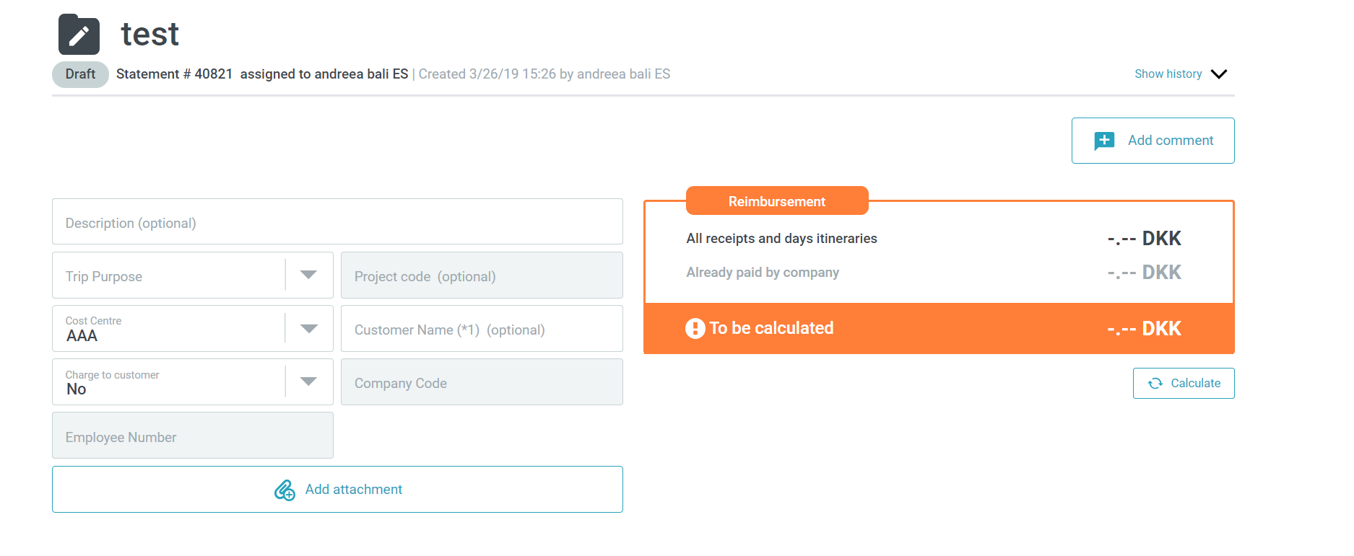
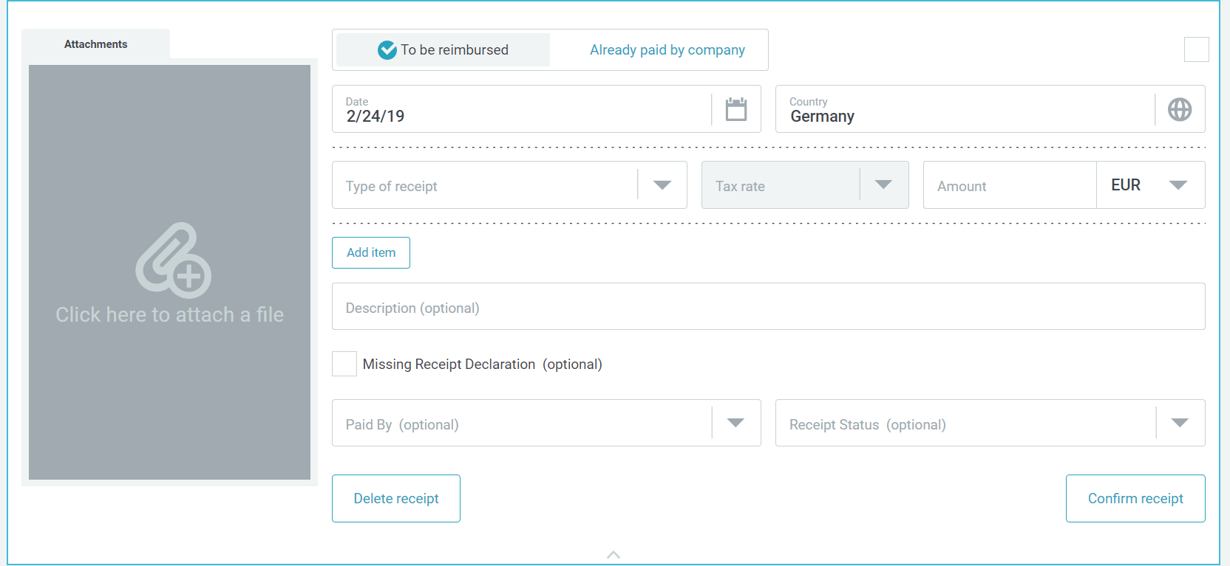
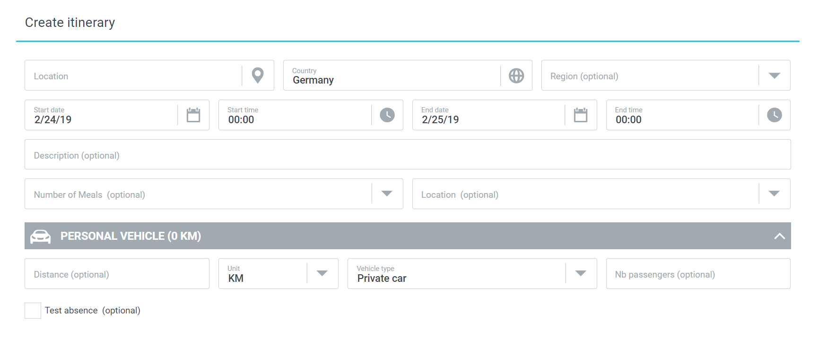
BACK
 |  | HOMEWORK 8 |FREE DATA FIELDS
Please fill in the needed custom fields. The first line is just an example. Some columns have already pre-defined values from where you have to select from. Insert rows if needed for more data before the screenshots examples
FDF Name | FDF Translation (specify language) | FDF type | Values if FDF type =List | Mandatory | Read only | Origin | Position in UI | View roles | Edit roles | Where will appear
Cost center | Kostenstelle | Text |  | No | No | Booking |  | Traveller/Arranger/Auditor/Approver/Accountant/Administrator | Traveller/Arranger | UI, PDF report, Export file
Project Code |  |  |  |  |  | User profile |  | Traveller/Arranger/Auditor/Approver/Accountant | Traveller/Arranger | UI, PDF report, Export file
Employee number |  |  |  |  |  | User profile |  | Traveller/Arranger/Auditor/Approver/Accountant | Traveller/Arranger | UI, PDF report, Export file
Trip Purpose |  |  |  |  |  | Booking |  | Traveller/Arranger/Auditor/Approver/Accountant | Traveller/Arranger | UI, PDF report, Export file
 |  |  |  |  |  | List of values |  | Traveller/Arranger/Auditor/Approver/Accountant | Traveller/Arranger | UI, PDF report, Export file
 |  |  |  |  |  | User profile |  | Traveller/Arranger/Auditor/Approver/Accountant | Traveller/Arranger | UI, PDF report, Export file
 |  |  |  |  |  | User profile |  | Traveller/Arranger/Auditor/Approver/Accountant | Traveller/Arranger | UI, PDF report, Export file
 |  |  |  |  |  | List of values |  | Traveller/Arranger/Auditor/Approver/Accountant | Traveller/Arranger | UI, PDF report, Export file

Example of FDF based on its position in the UI
Expense statement level FDF - Text |  |  |  |  | Receipt type level FDF - List |  |  |  | Itinerary step level FDF - Check box

Export & PDF
BACK
 |  | HOMEWORK 9 | EXPORT & PDF
1. EXPORT FILE
EXPORT FILE FORMAT

 | 1 | The file is delivered as: | CUSTOM XML
 | 2 | The columns are limited by: | Specific separator | If separator | Tab
 | 3 | The date format used is: | DDMMYY
 | 4 | The decimal separator used is: | ,
 | 5 | Character encoding: | UTF-8

EXPORT DELIVERY FORMAT

 | 1 | The files are grouped and delivered as: | ZIP
 | 2 | The zip file can contain:
 | 3 | The zip file reference has the following format : Expense statement ID + customizable part: | Please specify

EXPORT DELIVERY METHOD

 | 1 | Delivery method:
 | 2 | SFTP delivery on:
 | 3 | If transmission from Amadeus server ( automated PULL process),the connection will get intiated from the following static IP address: | Please specify
 | 4 | If the connection is established on the customer's side (transmission in a SFTP directory from customer- PUSH process), to ensure the connection we need the following information: - User -Password -IP address -Port/Index -Directory ! To do on Customer's side : arrange a clearing of firewall for Amadeus cytric system IP: 194.116.128.4 | Please specify
 | 5 | PDF expense statement file transfer via SFTP | Please specify
 | 6 | Receipt attachment transfer via SFTP | Please specify
 | 7 | Reporting | Please specify

EXPORT FILE DELIVERY FREQUENCY

 | 1 | Export Files can be delivered at an agreed frequency or manually. The chosen frequency is: | Daily | Please specify if otherwise
 | 2 | Export Files can be delivered at a certain time (a.m/p.m) based on the frequency chosen above: | 2 per day 9am/3pm

1. PDF EXPENSE REPORT
Please insert your company's logo

Below an example of PDF expense report. The part highlighted in blue is the part which can be customizable, either add/remove data information fields as shown in the example: |  |  |  |  | Please specify below the fields that should be available in your PDF:

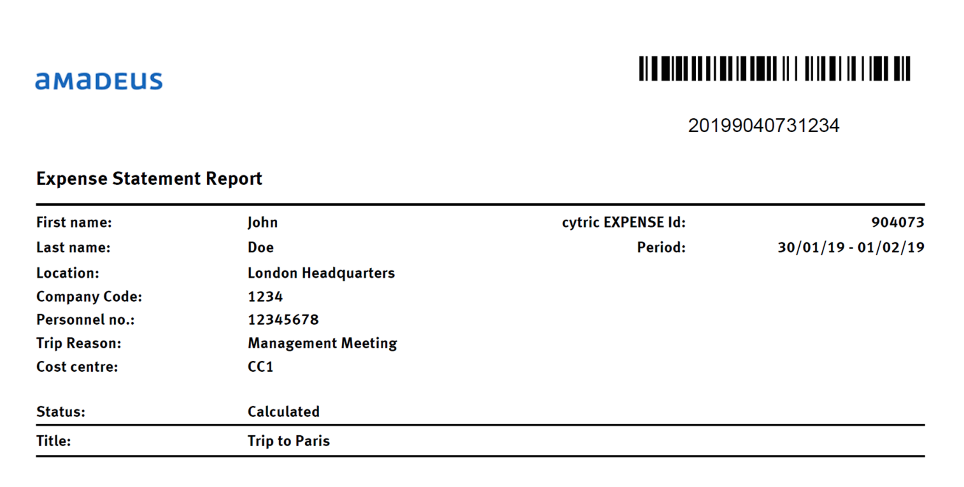
 |  |  |  |  | Please specify

Standard Reports
BACK
 |  | STANDARD REPORTS
In case you choose cytric Expense Reporting suite, then you would have the below list of reports supported for expense.

 | REPORT NAME |  | DESCRIPTION
 | Reports with fiscal or legal purpose
 | E003 – Aggregated Income-Related Expenses |  | It displays all per diems, allowances, mileage claims with 2 amounts: tax free / statutory and paid / actual. Tax free or statutory represents the reimbursement amount allowed by the fiscal rules of the country. On these amounts no tax is due. Paid or actual represents the actual reimbursement to the traveler, according to the company rule. This report is targeted to the accountant so that he can have a global view of the situation for all travelers in his company.
 | E010 – Income-related Expense Report |  | It is the same report targeted to the traveler only. With this report the traveler knows whether he has to declare some reimbursements to its tax authorities as additional revenue. Since most users do not have access to cytric Enterprise Reporting, they can access to this report in their cytric Expense home page, under the personal report section: Income-Related Expenses.
 | E004 – German Statutory Meal report |  | This report is for the German tax authorities. It lists all travelers having got at least one free meal. Such travelers are flagged with the letter “M” in the Wage tax card code column.
 | E004 – German Statutory Meal report |  | This report shows all the reimbursed mileage claims for all vehicle types or category. It can be useful to all customers and countries, but in France this report has a particular usage as it is needed for French tax authorities, to help tax accountants to fill in the declaration form for tax on company vehicles (“Taxe sur les Vehicules de Societe”).
 | Analytical reports - analyze paid amounts and reimbursement process
 | E002 – Expense Statements by stat |  | This report lists all expense statements according to their status, with the assigned user. It helps to evaluate if some approvers, auditors or accountants have a significant backlog of expenses to process!
 | E006 – Expense Transaction Report |  | This report lists all expense statements and provides reimbursed amount versus total amount. It provides as well the number of receipts and absences in each expense statement and displays billing information – the fee code to invoice customers.
 | E008 – Expense by Type of Receipt |  | This report analyzes paid amounts by expense category such as parking, taxi, restaurant… As mileage is not a receipt but an allowance, it is not included into this report. It is covered in the fiscal reports E003 or E009.
 | E005 – Free Data Field Expense Report |  | This report is similar to Expense Transaction Report but provides in addition analysis per free data field, for instance cost center. Warning: when running the report you can select only one free data field for the analysis. If you want to analyze expenses on several free data fields (for instance cost center and project code), you have to run several times the report, selecting each time the free data field you want to display
 | Travel and expense report
 | E007 – Bookings and Expenses report |  | It is the only report that displays side by side booking and expense statements, with the link between both. This report is very rich and contains a lot of information, and it is the report enabling to know the total cost of trip, including booking and travel expense. It is possible as well to retrieve bookings that do not have linked expense statements. This is useful to easily check if all trips have been properly included in expense statements.
 | Extract report
 | E020 – cytric Expense Statement data CSV report |  | This report is very often used by customers to extract data out of cytric Expense and analyze it in Excel or more powerful databases. It is delivered only as a flat CSV file. The report is quite complex and provides detailed information per expense statement, traveler, dates, locations, receipts, per diem and mileage, as well as free data field information.
 | E021-cytric Expense Statement data XML report |  | This report would enable to extract a batch of expense statements in XML format in order to integrate into a Business Intelligence database.

System Help Text
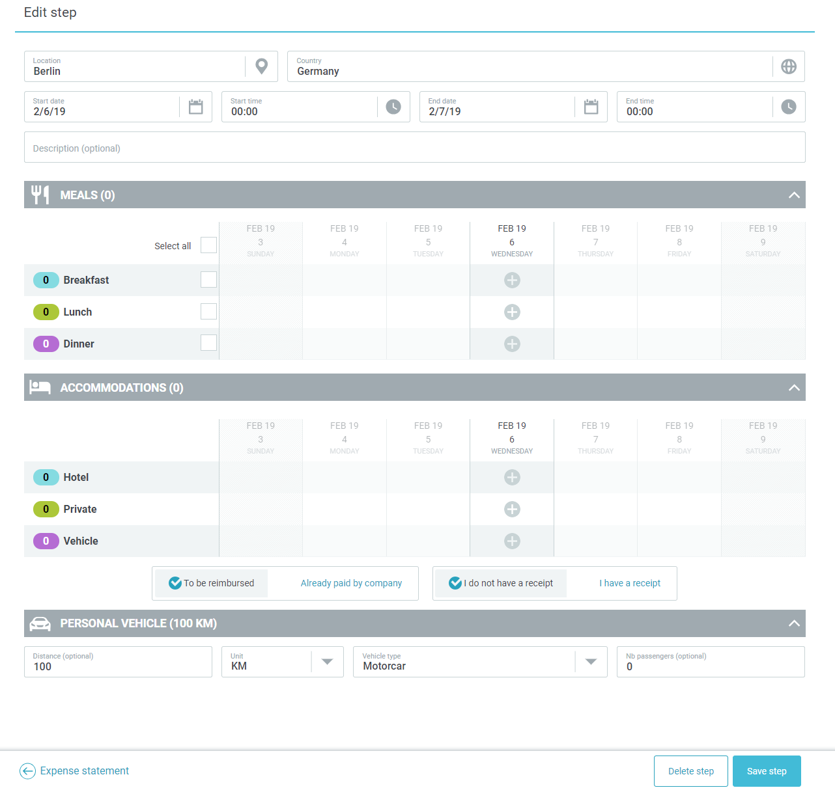
BACK
 |  | HOMEWORK 10 | SYSTEM HELP TEXT
Help Text is an informative text which can be placed in different sections of the page. Please define the section of the help text, the translation if needed, the position in the page and to whom should be visible for up to 4 help texts. For first and last two columns there are pre-defined options

 | Section | Help Text | Help Text Translation | Position | Viewed by
 | Expense Statement
 | Expense Statement
 | Expense Statement

 | Expense Statement
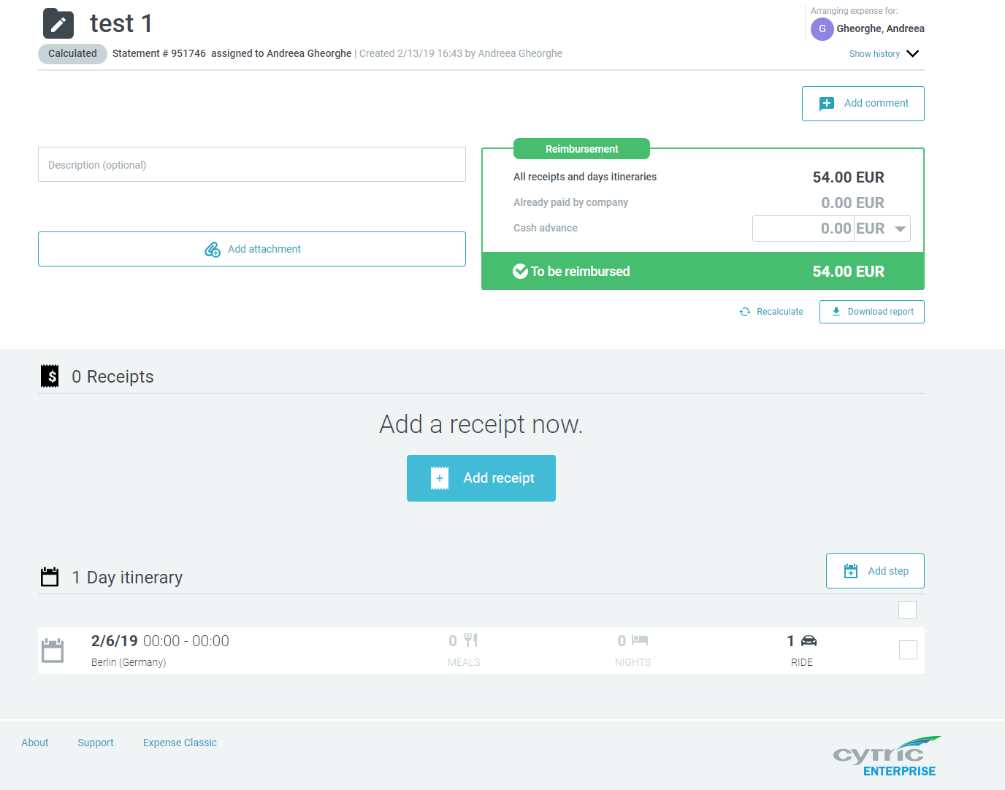

 | Receipt type level
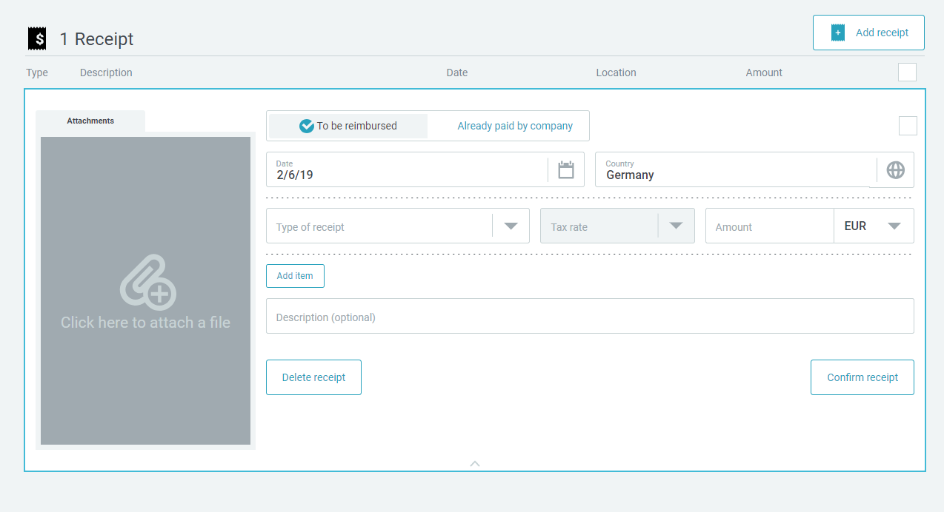

 | Itinerary step level

